1. Retire
Making Big Money Decisions |  |  | Disclaimer: This information is provided for illustrative purposes only. You are welcome to customize it for personal use.
Saving for Retirement

Retirement Planning

 | Current age | 30
 | Current income | $185,000 | (assumes 3.5% annual income increase, equal to inflation rate)
 | Age savings needed to cover | $95
 | Current retirement savings | $700,000

 |  |  |  |  | Including Social Security* |  | Excluding Social Security
 | Goal | Years of income needed | % of Current Expenses | Annual Expenses | Amount of Savings Needed | Annual saving % | Amount of Savings Needed | Annual saving %

 | Retire at age 50 | 45 | 80% | $284,530 | $8,978,549 | 72% | $11,127,542 | 96%
 | Age 55 | 40 | 80% | $337,933 | $9,300,060 | 39% | $11,953,631 | 57%
 | Age 57 | 38 | 50% | $226,251 | $4,775,842 | 4% | $7,618,621 | 20%
 | Age 60 | 35 | 80% | $401,358 | $9,401,226 | 19% | $12,658,987 | 33%

 |  |  |  |  |  | Retirement age=57
Start Saving ASAP |  |  |  |  |  | Annual savings=25%
Retirement age=60; Income required at retirement=80%; Annual savings=25% |  |  |  |  |  | % income required=50%

 | Current savings ($) | $250,000 | $500,000 | $700,000 | …. | $700,000
 | Including Social Security
 | Age savings lasts to | 88 | 95 | 101 |  | 135
 | Savings at 57 | $7,595,994 | $9,374,558 | $10,797,409 |  | $8,506,990
 | Savings at age 95 | n/a | $- | $5,238,305 |  | $16,876,010
 | Excluding Social Security
 | Age savings lasts to | 80 | 85 | 89 |  | 100
 | Savings at age 95 | n/a | n/a | n/a |  | $3,478,702

Sources
 | https://www.bankrate.com/retirement/retirement-plan-calculator/
* | See definition for "Include Social Security Checkbox" in Retirement Calculator

Lower Fund Fees

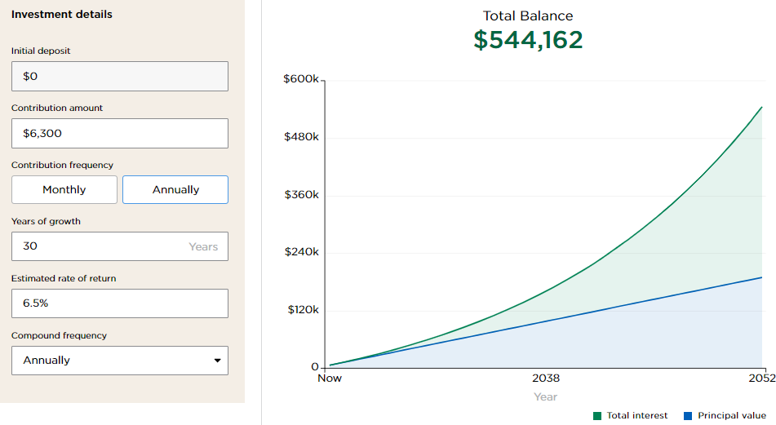
 | Investments | $500,000
 | Fund Type: | S&P 500 Index Fund (Large Blend)

 |  | Fund A | Fund B | Annual savings | IOC - 30 years

 | Fund Symbol | SPICX | VOO
 | Fund Expenses | 1.29% | 0.03% | 1.26%
 | Annual Cost | $6,450 | $150 | $6,300 | $544,162

 | Note: This does not include other fees, such as annuity, professional management, advisory, retirement account
 | administration, that increases your costs
 | Data source: FINRA Fund Analyzer
 | https://tools.finra.org/fund_analyzer/

2. Vehicle
Making Big Money Decisions |  |  | Disclaimer: This information is provided for illustrative purposes only. You are welcome to customize it for personal use.
Buying an Auto

Invested Opportunity Cost - Used Car with Low Total Cost of Ownership (TCO)
See calculations below
 |  | Payments | TCO | Total IOC Benefit
 | Used Car with NO loan vs New Car with loan | $289,312 |  | $289,312
 | 2020 RAV4 vs 2023 Audi Q5 |  | $121,169 | $121,169
 |  |  |  | $410,481

Invested Opportunity Cost - New vs Used Car

 |  | Monthly | Total Payments
 |  | Payment | Over 5 Years

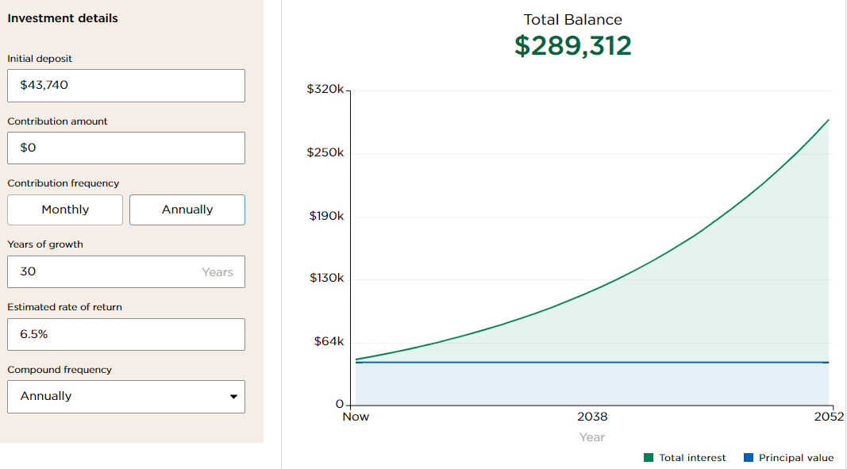
 | New car with loan | $726 | $43,560
 | Used car with loan | $533 | $31,980
 | Leased car | $578 | $34,680
 | Used car, NO loan | $- | $-

 |  |  | Difference - 5 Years | IOC - 30 years

 | New car with loan vs Used car with loan |  | $11,580 | $79,769
 | New car with loan vs Leased car |  | $8,880 | $56,751
 | Leased car vs Used car with loan |  | $2,700 | $23,018
 | Used car with loan vs Used car NO loan |  | $31,980 | $209,543
 | Used car with loan vs Used car NO loan |  | $43,560 | $289,312

Sources:
What’s the Average Car Payment Per Month? NerdWallet. Dec 2023;
Should I Lease or Buy a Car? NerdWallet, Apr 2023

Invested Opportunity Cost - Lower TCO

 | Total Cost of Ownership (TCO) | TCO - 5 Years | TCO - 5 Years1 | Difference | IOC - 30 Years
 | Toyota RAV4 (2020) | $44,678 | $38,692
 | 2020 Lexus NX 300 |  | $48,419 | $9,727 | $64,338
 | 2020 Audi Q5 |  | $57,476 | $18,784 | $124,244
 | 2023 Audi Q5 | $68,107 | $57,011 | $18,319 | $121,169

Source data: Edmunds
 | https://www.edmunds.com/tco.html
1 | Excludes financing costs

 | Ownership Costs: 5-Year Breakdown
 | Selected Model:
 | 2020 RAV4 SUV LE 4dr SUV AWD (2.5L 4cyl 8A)
 | Ownership Costs: 5-Year Breakdown
 |  | Year 1 | Year 2 | Year 3 | Year 4 | Year 5 | Total
 | Tax Credit | $0 | $0 | $0 | $0 | $0 | $0
 | Insurance | $1,601 | $1,649 | $1,699 | $1,749 | $1,802 | $8,500
 | Maintenance | $306 | $1,656 | $1,154 | $682 | $1,925 | $5,723
 | Repairs | $202 | $296 | $345 | $402 | $469 | $1,714
 | Taxes & Fees | $1,798 | $59 | $47 | $47 | $47 | $1,998
 | Financing | $2,031 | $1,651 | $1,236 | $782 | $286 | $5,986
 | Depreciation | $4,498 | $1,162 | $1,687 | $2,084 | $2,008 | $11,439
 | Fuel | $1,755 | $1,808 | $1,862 | $1,918 | $1,975 | $9,318
 | True Cost to Own® | $12,191 | $8,281 | $8,030 | $7,664 | $8,512 | $44,678
 | Less Financing | $10,160 | $6,630 | $6,794 | $6,882 | $8,226 | $38,692
 | *Based on a 5-year estimate with 15,000 miles driven per year.

 | Selected Model:
 | 2020 NX 300 SUV 4dr SUV AWD (2.0L 4cyl Turbo 6A)
 | Ownership Costs: 5-Year Breakdown
 |  | Year 1 | Year 2 | Year 3 | Year 4 | Year 5 | Total
 | Tax Credit | $0 | $0 | $0 | $0 | $0 | $0
 | Insurance | $1,813 | $1,867 | $1,923 | $1,981 | $2,041 | $9,625
 | Maintenance | $474 | $2,059 | $1,308 | $983 | $2,564 | $7,388
 | Repairs | $373 | $572 | $615 | $661 | $711 | $2,932
 | Taxes & Fees | $2,024 | $84 | $72 | $72 | $72 | $2,324
 | Financing | $2,274 | $1,849 | $1,384 | $876 | $321 | $6,704
 | Depreciation | $4,885 | $1,859 | $1,538 | $1,790 | $1,775 | $11,847
 | Fuel | $2,694 | $2,775 | $2,858 | $2,944 | $3,032 | $14,303
 | True Cost to Own® | $14,537 | $11,065 | $9,698 | $9,307 | $10,516 | $55,123
 | Less Financing | $12,263 | $9,216 | $8,314 | $8,431 | $10,195 | $48,419

 | Selected Model:
 | 2020 Q5 SUV Premium 4dr SUV AWD w/45 TFSI (2.0L 4cyl Turbo 7AM)
 | Ownership Costs: 5-Year Breakdown
 |  | Year 1 | Year 2 | Year 3 | Year 4 | Year 5 | Total
 | Tax Credit | $0 | $0 | $0 | $0 | $0 | $0
 | Insurance | $1,557 | $1,604 | $1,652 | $1,701 | $1,752 | $8,266
 | Maintenance | $1,291 | $2,195 | $1,734 | $894 | $2,935 | $9,049
 | Repairs | $935 | $1,437 | $1,546 | $1,662 | $1,785 | $7,365
 | Taxes & Fees | $2,031 | $84 | $72 | $72 | $72 | $2,331
 | Financing | $2,283 | $1,856 | $1,389 | $880 | $321 | $6,729
 | Depreciation | $5,800 | $2,198 | $2,662 | $3,124 | $2,378 | $16,162
 | Fuel | $2,694 | $2,775 | $2,858 | $2,944 | $3,032 | $14,303
 | True Cost to Own® | $16,591 | $12,149 | $11,913 | $11,277 | $12,275 | $64,205
 | Less Financing | $14,308 | $10,293 | $10,524 | $10,397 | $11,954 | $57,476

 | Selected Model:
 | 2023 Q5 SUV Premium Plus 4dr SUV AWD w/40 TFSI (2.0L 4cyl Turbo 7AM)
 | Ownership Costs: 5-Year Breakdown
 |  | Year 1 | Year 2 | Year 3 | Year 4 | Year 5 | Total
 | Tax Credit | $0 | $0 | $0 | $0 | $0 | $0
 | Insurance | $1,661 | $1,719 | $1,779 | $1,842 | $1,906 | $8,907
 | Maintenance | $229 | $791 | $1,073 | $2,346 | $971 | $5,410
 | Repairs | $0 | $0 | $0 | $1,004 | $1,541 | $2,545
 | Taxes & Fees | $3,448 | $84 | $72 | $72 | $72 | $3,748
 | Financing | $3,764 | $3,060 | $2,292 | $1,450 | $530 | $11,096
 | Depreciation | $12,150 | $3,700 | $3,021 | $3,389 | $2,961 | $25,221
 | Fuel | $2,106 | $2,169 | $2,234 | $2,301 | $2,370 | $11,180
 | True Cost to Own® | $23,358 | $11,523 | $10,471 | $12,404 | $10,351 | $68,107
 | Less Financing | $19,594 | $8,463 | $8,179 | $10,954 | $9,821 | $57,011

3. Housing
Making Big Money Decisions |  | Disclaimer: This information is provided for illustrative purposes only. You are welcome to customize it for personal use.
Purchasing a House

Invested Opportunity Cost - Investing savings from deciding to buy smaller, less expensive house

 |  |  | Est monthly
 | House examples: | Price | cost1 | Utilities2 | Total | Difference | IOC3

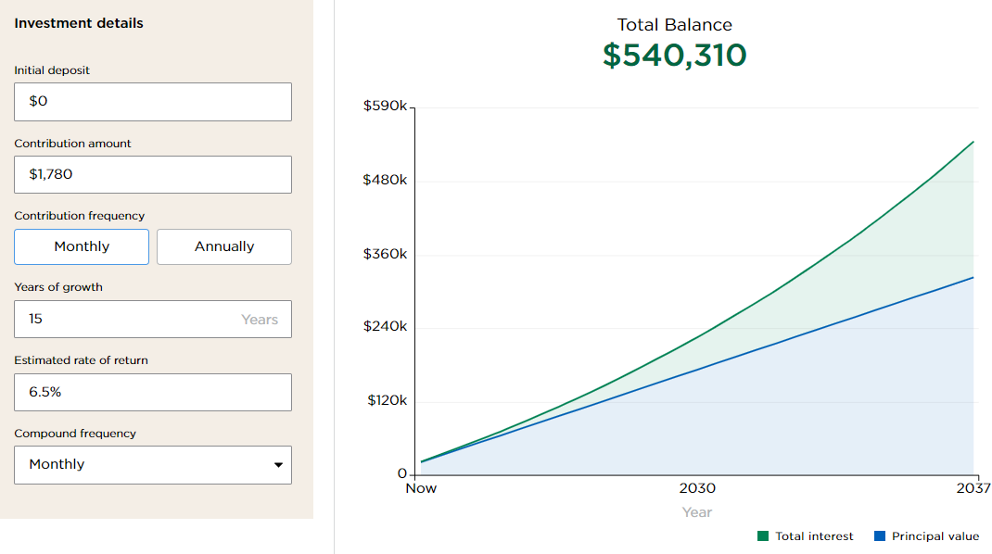
 | House A, Fair Lawn, NJ | $450,000 | $3,427 | $454 | $3,881 | $1,780 | $540,310
 | House B, Fair Lawn NJ | $650,000 | $4,999 | $662 | $5,661

Footnotes
1 | Zillow.com: Mortgage P&I, Property taxes, Home Insurance, HOA fees
2 | Average monthly utility costs in NJ. Includes costs for energy, water, natural gas, internet, streaming, phone.
 | Assumes higher price for more expensive house with higher square footage.
 | Data source: How much are utilities per month? NJ.com, Oct 2023
3 | Monthly savings of $1,780 invested for 15 years

How much house can you afford? Calculators from:
 | NerdWallet
 | Bankrate

4. Raising a child
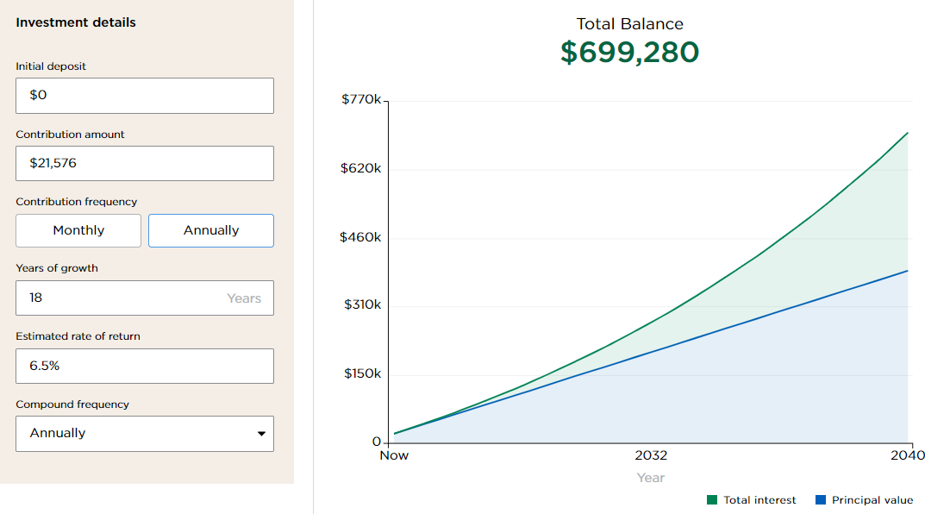
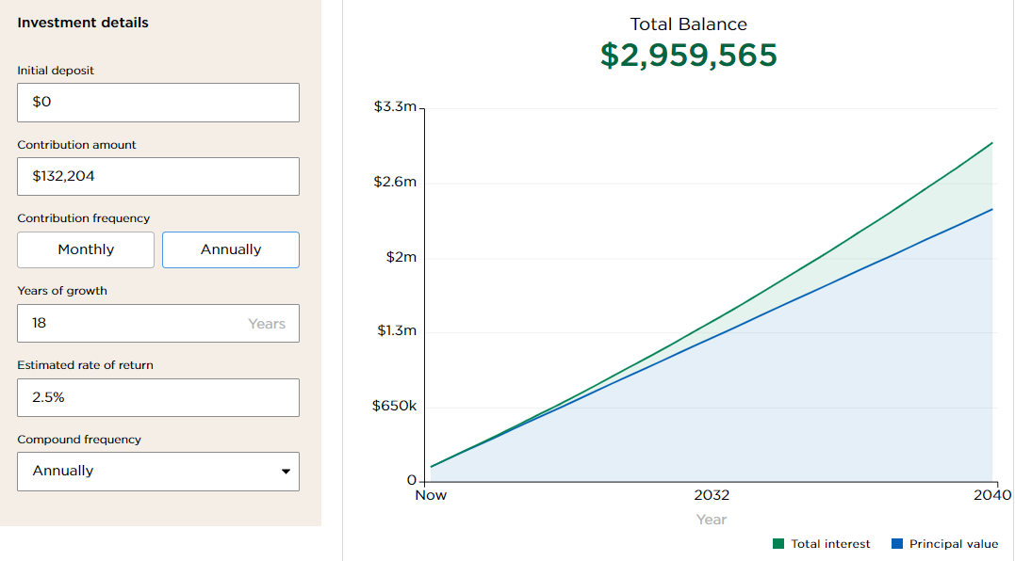
Making Big Money Decisions |  | Disclaimer: This information is provided for illustrative purposes only. You are welcome to customize it for personal use.
Starting Family/Raising Children

 |  |  |  |  | Total Incremental
 |  |  | Total Cost Over | Incremental | Annual Cost Over
Living in Bergen County NJ | Monthly costs1 | Annualized | 18 Years2 | Annual Cost | 18 Years2 | IOC3
For 2 adults with:

No children | $5,424 | $65,088 | $1,457,083
One child | $7,590 | $91,080 | $2,038,949 | $25,992 | $581,866 | $842,402
Two children | $9,219 | $110,628 | $2,476,557 | $19,548 | $437,608 | $633,552
Three children | $11,017 | $132,204 | $2,959,565 | $21,576 | $483,008 | $699,280
Four children | $11,694 | $140,328 | $3,141,432 | $8,124 | $181,867 | $263,299

1 - Source: EPI Family Budget Calculator | https://www.epi.org/resources/budget/
2 - Assumes 2.5% annual inflation rate
3 - Assumes Incremental Annual Cost invested for 18 years with 6.5% annual return, compounded annually

